1. Title Page
Instacart Grocery Basket Analysis

Project Name: Instacart Grocery Basket Analysis
Date: 6/5/2021
Data Citation: "The Instacart Online Grocery Shopping Dataset 2017", Accessed from https://www.instacart.com/datasets/grocery-shopping-2017 on 5/1/2021*
Analyst Name: April Wiley

Contents:

Population Flow
Consistency checks
Wrangling steps
Column derivations
Visualizations
Recommendations

* The customer data as well as the "prices" column data in the products dataset were fabricated for the purpose of the CareerFoundry Data Immersion Python Fundamentals for Data Analysts course.

2. Population Flow
Population flow

Exclusion flag
Condition: max_order <
Obervations to be removed:
Final total count of order_products_all:

Orders_products_combined
Orders_products_merged
Orders_products_all

Total: 32,404,859
Total: 32,434,489
Total: 30,964,564

1.) The grey boxes in the first row of the population flow represent the original data sets as they were when you downloaded them. In the Total fields you need to add the count of the rows when you imported the data set into Jupyter.
2.) The second row of boxes (coloured) represents the data sets after you manipulated them, e.g., removed missing values and duplicates. In the Total fields you need to add the count of the rows after conducting these operations. This offers a visual oveview of how the data flows throughout the data consistency checks.
3.) The third row, where also the arrows are coloured, represents the merges you performed between the datasets. In the Total fields you need to add the count of the rows in the merged datasets, so that you end up with the final dataset (in the red box). Keep in mind the final dataset should be without exclusions (based on the exclusion flag).

3. Consistency checks
Consistency checks

Dataset | Missing values | Missing values treatment | Duplicates
orders | Days_since_prior_order | Replaced with median value | None
products | Product_name column | Dropped from dataset | 5 duplicates found. Dropped duplicates
orders_products_prior | None | N/A | None
customers | First name column | Dropped from dataset | None

days_since_prior_order | 1 | 2 | 3 | 4 | 5 | 6 | 7 | 8 | 9 | 10 | 11 | 12 | 13 | 14 | 15 | 16 | 17 | 18 | 19 | 20 | 21 | 22 | 23 | 24 | 25 | 26 | 27 | 28 | 29 | 30 | 31 | 32 | 33 | 34 | 35 | 36 | 37 | 38 | 39 | 40 | 41 | 42 | 43 | 44 | 45 | 46 | 47 | 48 | 49 | 50 | 51 | 52 | 53 | 54 | 55 | 56 | 57 | 58 | 59 | 60 | 61 | 62 | 63 | 64 | 65 | 66 | 67 | 68 | 69 | 70 | 71 | 72 | 73 | 74 | 75 | 76 | 77 | 78 | 79 | 80 | 81 | 82 | 83 | 84 | 85 | 86 | 87 | 88 | 89 | 90 | 91 | 92 | 93 | 94 | 95 | 96 | 97 | 98 | 99
0 | 0 | 20536 | 20441 | 17984 | 16438 | 16046 | 14384 | 13890 | 12774 | 11460 | 11784 | 9828 | 9438 | 8960 | 8435 | 8130 | 7848 | 7749 | 7038 | 6902 | 7084 | 6424 | 6170 | 6103 | 6032 | 5541 | 6049 | 5569 | 5201 | 5685 | 4811 | 5133 | 4630 | 4535 | 4552 | 4384 | 4314 | 4093 | 3864 | 4029 | 4056 | 3825 | 3677 | 3670 | 3226 | 3519 | 3326 | 2720 | 3164 | 2634 | 2482 | 2928 | 2624 | 2522 | 2379 | 2483 | 2375 | 2221 | 2354 | 2196 | 2069 | 2247 | 1856 | 2031 | 1585 | 2127 | 1939 | 1871 | 1560 | 1672 | 1700 | 1573 | 1731 | 1555 | 1341 | 1537 | 1526 | 1422 | 1369 | 1184 | 1306 | 1196 | 1150 | 1490 | 1343 | 1358 | 1139 | 1177 | 1177 | 1195 | 1148 | 1040 | 937 | 1134 | 1099 | 1041 | 883 | 1037 | 935
1 | 0 | 31674 | 29950 | 28010 | 27092 | 25533 | 24996 | 22921 | 21783 | 21067 | 21260 | 19516 | 19108 | 18279 | 18544 | 18133 | 16765 | 15977 | 15509 | 15128 | 15183 | 13855 | 13619 | 13230 | 12861 | 13006 | 12938 | 11962 | 12525 | 12084 | 11751 | 11581 | 10867 | 10395 | 9694 | 9688 | 9760 | 9506 | 9562 | 9456 | 8645 | 8873 | 8713 | 8576 | 8441 | 8323 | 8482 | 8199 | 7711 | 7147 | 7715 | 6976 | 6525 | 7033 | 7112 | 6250 | 6438 | 6265 | 5896 | 5851 | 5598 | 5947 | 4935 | 5725 | 4852 | 4950 | 5263 | 4675 | 4568 | 4692 | 4123 | 4405 | 4222 | 4229 | 4013 | 3918 | 4106 | 3996 | 3596 | 4132 | 3518 | 3149 | 3458 | 3289 | 3245 | 3108 | 2970 | 2693 | 3027 | 2787 | 2801 | 2728 | 2605 | 2606 | 2639 | 2436 | 2535 | 2633 | 2363
2 | 0 | 46454 | 46264 | 43902 | 40729 | 40907 | 38101 | 37519 | 35745 | 33830 | 33364 | 31473 | 30602 | 30259 | 28626 | 27574 | 26687 | 26236 | 25612 | 23717 | 23529 | 23979 | 23049 | 22337 | 21831 | 21598 | 20651 | 19776 | 18953 | 19240 | 18736 | 18331 | 17108 | 17534 | 16381 | 16021 | 16448 | 16095 | 15569 | 14664 | 14450 | 14344 | 13397 | 12920 | 12940 | 12895 | 12061 | 13443 | 12348 | 11730 | 11714 | 10607 | 10573 | 10813 | 10214 | 9494 | 9709 | 9349 | 8823 | 8733 | 8963 | 8179 | 8185 | 7712 | 7416 | 7756 | 7338 | 7041 | 7148 | 6623 | 6737 | 6386 | 6289 | 5951 | 5709 | 5629 | 5221 | 5058 | 5071 | 4704 | 4924 | 4388 | 4801 | 4658 | 3946 | 3937 | 4074 | 4204 | 3474 | 3623 | 3555 | 3314 | 3589 | 3319 | 3072 | 2985 | 3057 | 3091 | 2609
3 | 0 | 61637 | 63388 | 59996 | 57882 | 56183 | 52869 | 49291 | 48295 | 47826 | 45028 | 42994 | 42117 | 40701 | 38433 | 37943 | 35934 | 34663 | 34387 | 32645 | 32395 | 31478 | 30683 | 29434 | 29001 | 28254 | 26465 | 27083 | 25750 | 23421 | 23592 | 24477 | 23818 | 22226 | 21865 | 21329 | 20609 | 20805 | 19501 | 20909 | 18544 | 17952 | 17429 | 16905 | 16367 | 16424 | 15506 | 15539 | 14239 | 14977 | 13646 | 13555 | 12915 | 12216 | 11583 | 11839 | 11204 | 10572 | 10601 | 9899 | 10058 | 9837 | 9019 | 9232 | 8346 | 7929 | 7890 | 7420 | 7948 | 7222 | 6659 | 6834 | 6267 | 6273 | 6433 | 6070 | 5437 | 5168 | 5425 | 4885 | 5008 | 4557 | 4436 | 3799 | 4246 | 4005 | 3915 | 3359 | 3573 | 3318 | 3237 | 2799 | 3073 | 2902 | 2635 | 2658 | 2462 | 2168 | 2467
4 | 0 | 76733 | 78861 | 73540 | 70519 | 66569 | 62399 | 61143 | 59499 | 57700 | 54730 | 51935 | 48774 | 46896 | 45838 | 44241 | 42119 | 41276 | 39404 | 37328 | 36517 | 36475 | 35903 | 33132 | 34157 | 31341 | 31036 | 30094 | 28532 | 27017 | 26954 | 26013 | 24438 | 24654 | 23964 | 23047 | 22939 | 21584 | 20794 | 19015 | 19390 | 19327 | 18766 | 18719 | 18091 | 16584 | 16188 | 15564 | 15003 | 14202 | 13801 | 13032 | 12912 | 12019 | 11650 | 11928 | 11599 | 10291 | 9864 | 9640 | 9029 | 8717 | 8571 | 7755 | 8195 | 7316 | 6613 | 6331 | 6114 | 6468 | 6385 | 5590 | 5320 | 4985 | 5209 | 4348 | 4795 | 4442 | 4184 | 4229 | 3868 | 3985 | 3444 | 3224 | 2843 | 2862 | 2584 | 2711 | 2630 | 2342 | 2260 | 2490 | 2031 | 1800 | 2083 | 1918 | 1792 | 1695 | 1810
5 | 0 | 88999 | 91741 | 86503 | 81859 | 77583 | 73584 | 70020 | 64468 | 63154 | 59454 | 55546 | 53534 | 52955 | 49271 | 46960 | 47010 | 44879 | 42069 | 40778 | 40189 | 37707 | 35499 | 36144 | 34793 | 32270 | 31855 | 29641 | 29403 | 29377 | 27823 | 26071 | 25951 | 24194 | 23069 | 22117 | 21232 | 20018 | 19594 | 20514 | 18734 | 17596 | 16948 | 15597 | 15486 | 14351 | 14082 | 13320 | 13483 | 11456 | 12043 | 11739 | 10810 | 10348 | 10181 | 9077 | 8716 | 8578 | 7678 | 7878 | 6733 | 6396 | 6566 | 5757 | 5378 | 5299 | 4611 | 5508 | 5065 | 4396 | 4117 | 4276 | 3544 | 3440 | 3246 | 3197 | 2487 | 2725 | 2746 | 2816 | 2289 | 2303 | 2138 | 2099 | 2372 | 2002 | 1946 | 1566 | 1462 | 1630 | 1630 | 1367 | 983 | 1215 | 1220 | 1166 | 966 | 912 | 936
6 | 0 | 120681 | 122871 | 114644 | 106764 | 100756 | 95954 | 89752 | 87203 | 78634 | 78896 | 74719 | 68650 | 65130 | 62374 | 58794 | 56469 | 54791 | 53258 | 51292 | 49395 | 46209 | 44182 | 41002 | 38586 | 38714 | 36434 | 35073 | 33674 | 32644 | 30845 | 29967 | 28473 | 28306 | 26601 | 26518 | 24094 | 22753 | 22728 | 20868 | 19362 | 18786 | 17762 | 17389 | 16746 | 15137 | 13992 | 12418 | 12933 | 11604 | 11087 | 9631 | 9277 | 8368 | 8686 | 7298 | 7078 | 6703 | 6146 | 6114 | 5515 | 4911 | 5011 | 4549 | 4643 | 3848 | 3975 | 3536 | 3445 | 2902 | 2886 | 2251 | 2779 | 2594 | 2230 | 1949 | 1930 | 1891 | 1738 | 1531 | 1693 | 1448 | 1391 | 1340 | 1216 | 995 | 960 | 1063 | 989 | 754 | 842 | 940 | 1014 | 835 | 570 | 490 | 602 | 485 | 542
7 | 0 | 184802 | 181656 | 167597 | 157442 | 143628 | 137675 | 128423 | 120734 | 114769 | 106392 | 103116 | 100542 | 93723 | 89445 | 86204 | 81249 | 78056 | 73126 | 71052 | 68563 | 64149 | 62517 | 58574 | 56692 | 53871 | 50909 | 48710 | 47628 | 44825 | 42455 | 41609 | 38258 | 35791 | 34191 | 33235 | 32298 | 30421 | 28159 | 27660 | 27208 | 25988 | 23792 | 21938 | 20517 | 19873 | 17770 | 17174 | 15137 | 14707 | 12832 | 12948 | 10361 | 9594 | 8579 | 7316 | 7017 | 6385 | 6247 | 5733 | 5190 | 4902 | 3872 | 3571 | 3462 | 3587 | 3410 | 2562 | 2245 | 2471 | 2108 | 2394 | 2044 | 1907 | 1678 | 1629 | 1784 | 1438 | 1324 | 1086 | 958 | 969 | 920 | 858 | 956 | 710 | 763 | 714 | 694 | 634 | 573 | 521 | 440 | 602 | 421 | 420 | 378 | 419 | 322
8 | 0 | 112324 | 110742 | 102217 | 94945 | 87611 | 81622 | 78760 | 71070 | 67567 | 64889 | 60068 | 57373 | 53559 | 50904 | 47433 | 44192 | 43274 | 40812 | 38660 | 35895 | 35093 | 31992 | 30974 | 30050 | 27674 | 25995 | 26308 | 23929 | 22221 | 21980 | 19751 | 19303 | 17557 | 17539 | 16115 | 16128 | 14634 | 14585 | 13279 | 11925 | 11625 | 11090 | 10410 | 9421 | 8519 | 7974 | 7459 | 7216 | 6493 | 5557 | 5042 | 5048 | 4438 | 3768 | 3757 | 3044 | 2926 | 2888 | 2581 | 2522 | 2243 | 1972 | 1852 | 1713 | 1350 | 1338 | 1509 | 1324 | 1428 | 1085 | 1137 | 1165 | 937 | 958 | 759 | 761 | 762 | 731 | 477 | 475 | 322 | 549 | 656 | 262 | 342 | 278 | 416 | 340 | 238 | 262 | 228 | 244 | 275 | 232 | 234 | 143 | 137 | 84
9 | 0 | 73676 | 75379 | 68513 | 65045 | 58933 | 54801 | 50593 | 47752 | 43483 | 42175 | 38059 | 36775 | 34974 | 31584 | 30753 | 28868 | 26648 | 25607 | 23312 | 22198 | 20464 | 20556 | 18864 | 17911 | 16488 | 16820 | 15386 | 14568 | 13532 | 12991 | 12418 | 11511 | 10783 | 10639 | 9207 | 8483 | 8096 | 7256 | 7041 | 6455 | 5867 | 5848 | 5450 | 4910 | 4506 | 3902 | 3486 | 3554 | 3272 | 3188 | 2813 | 2287 | 2176 | 2294 | 1978 | 1787 | 1629 | 1637 | 1683 | 1281 | 1045 | 1073 | 1005 | 1005 | 705 | 926 | 932 | 715 | 628 | 454 | 550 | 482 | 613 | 417 | 398 | 317 | 482 | 374 | 241 | 271 | 332 | 347 | 348 | 115 | 209 | 201 | 229 | 266 | 190 | 90 | 98 | 101 | 146 | 91 | 67 | 102 | 66 | 65
10 | 0 | 62037 | 62457 | 57676 | 51916 | 49463 | 43706 | 41110 | 38443 | 34916 | 33905 | 32706 | 29763 | 28718 | 25319 | 23601 | 22588 | 20539 | 19364 | 18414 | 17548 | 15869 | 15648 | 14704 | 14095 | 13640 | 12147 | 10827 | 10530 | 10545 | 10006 | 8527 | 8490 | 7972 | 7629 | 6640 | 6158 | 5935 | 5614 | 4596 | 4850 | 4719 | 3768 | 3747 | 3638 | 3395 | 3032 | 2868 | 2346 | 2579 | 2103 | 2125 | 2034 | 1703 | 1579 | 1304 | 1393 | 1226 | 1148 | 901 | 915 | 721 | 893 | 742 | 821 | 570 | 540 | 596 | 431 | 493 | 370 | 443 | 626 | 389 | 579 | 389 | 339 | 239 | 191 | 216 | 143 | 111 | 289 | 203 | 278 | 136 | 223 | 114 | 138 | 60 | 103 | 222 | 78 | 45 | 116 | 4 | 101 | 42 | 59
11 | 0 | 55561 | 55918 | 51974 | 45512 | 42542 | 40174 | 36884 | 33404 | 30830 | 29422 | 27423 | 26254 | 23919 | 21639 | 20252 | 20334 | 17858 | 17074 | 15903 | 13577 | 13913 | 12087 | 11981 | 10706 | 11288 | 9861 | 8609 | 7930 | 7036 | 8067 | 6156 | 6559 | 5935 | 5579 | 5379 | 4936 | 4200 | 4048 | 3722 | 3388 | 2982 | 3199 | 2921 | 2710 | 2192 | 2269 | 2042 | 1782 | 1716 | 1637 | 1343 | 1554 | 1354 | 1225 | 1121 | 1020 | 997 | 819 | 735 | 758 | 652 | 688 | 451 | 523 | 383 | 391 | 349 | 273 | 438 | 417 | 344 | 349 | 286 | 256 | 226 | 234 | 139 | 155 | 213 | 139 | 347 | 102 | 97 | 102 | 111 | 68 | 46 | 61 | 57 | 83 | 175 | 55 | 68 | 126 | 63 | 64 | 1 | 19
12 | 0 | 54604 | 56630 | 51043 | 44615 | 42591 | 38685 | 35331 | 33477 | 29857 | 26682 | 26520 | 24342 | 21421 | 21437 | 20403 | 18272 | 16061 | 15712 | 14412 | 12982 | 12227 | 11013 | 10950 | 9543 | 8705 | 8608 | 7955 | 7454 | 7137 | 6361 | 5965 | 5373 | 4695 | 5381 | 4624 | 3956 | 4086 | 3542 | 3287 | 3193 | 2808 | 2473 | 1952 | 1858 | 2150 | 1981 | 1567 | 1423 | 1746 | 1208 | 1400 | 1138 | 859 | 670 | 797 | 734 | 702 | 978 | 749 | 394 | 538 | 577 | 459 | 536 | 434 | 283 | 386 | 408 | 264 | 319 | 275 | 341 | 196 | 224 | 190 | 137 | 183 | 170 | 126 | 202 | 63 | 65 | 101 | 187 | 55 | 101 | 53 | 55 | 58 | 54 | 70 | 32 | 50 | 75 | 55 | 52 | 5 | 66
13 | 0 | 63962 | 66351 | 58478 | 54339 | 47725 | 44872 | 41268 | 38333 | 34275 | 32540 | 28186 | 26812 | 23669 | 23219 | 20620 | 20562 | 18331 | 16442 | 14425 | 15009 | 12033 | 11747 | 10648 | 10059 | 9569 | 8837 | 7687 | 7736 | 6742 | 5846 | 5659 | 5372 | 5555 | 4727 | 4422 | 3586 | 3598 | 3116 | 2976 | 2921 | 2294 | 2419 | 2244 | 1728 | 1877 | 1674 | 1208 | 1197 | 1105 | 1131 | 847 | 988 | 740 | 684 | 800 | 417 | 480 | 399 | 307 | 557 | 347 | 398 | 390 | 252 | 297 | 355 | 456 | 317 | 228 | 175 | 154 | 116 | 73 | 71 | 230 | 56 | 202 | 214 | 65 | 80 | 123 | 59 | 75 | 53 | 94 | 63 | 56 | 82 | 69 | 93 | 93 | 80 | 85 | 24 | 27 | 61 | 83 | 68
14 | 0 | 82109 | 79773 | 74714 | 67484 | 60476 | 54863 | 49237 | 46265 | 42381 | 38402 | 34335 | 32063 | 30164 | 26894 | 25911 | 24366 | 22016 | 19793 | 18077 | 15054 | 15287 | 14637 | 13303 | 11500 | 10719 | 10466 | 9480 | 7996 | 8325 | 7978 | 6654 | 6229 | 5301 | 4439 | 4868 | 4250 | 3624 | 3925 | 2820 | 2851 | 2258 | 2711 | 2692 | 1951 | 2073 | 1834 | 1640 | 1388 | 1241 | 964 | 633 | 1051 | 627 | 669 | 906 | 582 | 808 | 645 | 455 | 476 | 274 | 437 | 423 | 214 | 168 | 392 | 340 | 257 | 243 | 205 | 277 | 160 | 150 | 103 | 84 | 110 | 124 | 94 | 32 | 91 | 28 | 137 | 45 | 77 | 46 | 41 | 39 | 57 | 38 | 8 | 13 | 96 | 55 | 41 | 32 | 54 | 33 | 5
15 | 0 | 54492 | 53593 | 50229 | 44029 | 39497 | 35548 | 33879 | 29615 | 27757 | 25061 | 24441 | 20663 | 19269 | 17666 | 16195 | 15608 | 13384 | 12534 | 11839 | 10060 | 10403 | 8338 | 7646 | 8086 | 6473 | 6324 | 6086 | 5434 | 5211 | 4247 | 4193 | 3806 | 3391 | 2952 | 2868 | 2706 | 2828 | 2264 | 2339 | 1636 | 1833 | 1692 | 1609 | 1141 | 991 | 936 | 1055 | 653 | 993 | 541 | 558 | 448 | 724 | 661 | 478 | 295 | 341 | 357 | 243 | 155 | 229 | 273 | 175 | 121 | 263 | 158 | 164 | 102 | 129 | 160 | 71 | 137 | 55 | 107 | 106 | 24 | 100 | 78 | 35 | 22 | 66 | 113 | 91 | 56 | 34 | 66 | 9 | 16 | 44 | 14 | 31 | 25 | 6 | 23 | 20 | 17 | 7 | 17
16 | 0 | 38887 | 39524 | 34481 | 30581 | 28286 | 25429 | 22407 | 22373 | 20587 | 17432 | 15607 | 14352 | 13293 | 11936 | 10824 | 9592 | 9666 | 8459 | 7670 | 6717 | 6477 | 5717 | 5714 | 4964 | 4077 | 3811 | 3762 | 3307 | 2613 | 2529 | 3002 | 2341 | 2280 | 1999 | 2040 | 1610 | 1450 | 1400 | 1332 | 974 | 950 | 827 | 717 | 843 | 614 | 745 | 866 | 497 | 574 | 497 | 366 | 389 | 299 | 526 | 260 | 219 | 251 | 184 | 153 | 70 | 74 | 119 | 112 | 190 | 85 | 100 | 85 | 71 | 75 | 115 | 104 | 76 | 64 | 49 | 30 | 48 | 27 | 54 | 19 | 51 | 41 | 51 | 10 | 29 | 31 | 41 | 7 | 8 | 65 | 20 | 7 | 0 | 12 | 0 | 39 | 50 | 17 | 10
17 | 0 | 31942 | 32861 | 29823 | 26271 | 23860 | 20629 | 18592 | 17567 | 16012 | 14276 | 12805 | 12054 | 11604 | 10133 | 9139 | 7982 | 7794 | 7889 | 6215 | 5686 | 5401 | 5216 | 4849 | 3598 | 3633 | 3198 | 2932 | 2766 | 2164 | 2060 | 1918 | 2010 | 1736 | 1713 | 1406 | 1250 | 860 | 1033 | 865 | 969 | 894 | 710 | 673 | 536 | 635 | 540 | 398 | 463 | 314 | 361 | 401 | 353 | 127 | 388 | 236 | 206 | 284 | 135 | 86 | 132 | 118 | 155 | 186 | 91 | 56 | 37 | 76 | 49 | 23 | 44 | 65 | 44 | 34 | 73 | 18 | 21 | 45 | 27 | 16 | 28 | 91 | 10 | 8 | 46 | 15 | 37 | 16 | 1 | 14 | 0 | 32 | 0 | 16 | 7 | 4 | 23 | 0 | 5
18 | 0 | 31615 | 30484 | 27305 | 24859 | 21999 | 19165 | 17597 | 16762 | 15066 | 13316 | 12352 | 11341 | 9946 | 9042 | 8150 | 7173 | 6812 | 6676 | 5862 | 5099 | 4482 | 3583 | 3463 | 3459 | 3366 | 2780 | 2747 | 2179 | 2167 | 1806 | 1962 | 1530 | 1182 | 1515 | 1330 | 1045 | 955 | 1007 | 736 | 847 | 709 | 648 | 681 | 377 | 512 | 448 | 347 | 479 | 277 | 285 | 316 | 170 | 219 | 228 | 123 | 75 | 100 | 170 | 247 | 134 | 140 | 82 | 122 | 43 | 116 | 33 | 182 | 41 | 70 | 44 | 5 | 39 | 0 | 17 | 9 | 31 | 4 | 75 | 3 | 30 | 7 | 4 | 5 | 32 | 0 | 19 | 0 | 16 | 0 | 1 | 13 | 0 | 20 | 0 | 51 | 0 | 0 | 26
19 | 0 | 29890 | 31364 | 26501 | 23852 | 21441 | 19910 | 17867 | 15702 | 14316 | 12668 | 11411 | 10584 | 9073 | 8335 | 7743 | 6936 | 6291 | 6173 | 4884 | 4701 | 4669 | 4084 | 3240 | 3201 | 2651 | 2030 | 2667 | 2480 | 1534 | 1865 | 1574 | 1337 | 1549 | 1102 | 1090 | 830 | 820 | 631 | 574 | 561 | 692 | 718 | 496 | 372 | 211 | 434 | 385 | 288 | 328 | 447 | 269 | 147 | 163 | 106 | 170 | 72 | 120 | 144 | 117 | 128 | 15 | 56 | 70 | 37 | 79 | 15 | 87 | 30 | 28 | 37 | 57 | 26 | 38 | 17 | 41 | 29 | 62 | 26 | 31 | 16 | 0 | 29 | 0 | 60 | 4 | 12 | 1 | 0 | 0 | 6 | 0 | 0 | 0 | 0 | 21 | 14 | 0 | 0
20 | 0 | 35489 | 35213 | 31767 | 28748 | 25526 | 23119 | 19785 | 17132 | 16038 | 13598 | 13388 | 11947 | 10520 | 9639 | 8228 | 7692 | 6706 | 6526 | 5793 | 5526 | 4690 | 4170 | 3582 | 3290 | 3019 | 2897 | 2185 | 1950 | 2255 | 1670 | 1592 | 1357 | 1674 | 1255 | 1169 | 969 | 702 | 1008 | 671 | 640 | 520 | 509 | 423 | 497 | 340 | 479 | 369 | 220 | 399 | 192 | 243 | 149 | 128 | 171 | 146 | 109 | 137 | 95 | 138 | 58 | 100 | 33 | 87 | 83 | 123 | 62 | 51 | 35 | 24 | 0 | 75 | 26 | 19 | 59 | 52 | 47 | 15 | 29 | 40 | 35 | 36 | 81 | 8 | 19 | 24 | 2 | 30 | 2 | 31 | 41 | 7 | 0 | 9 | 0 | 0 | 0 | 0 | 0
21 | 0 | 43945 | 44587 | 37647 | 32182 | 31429 | 26005 | 23502 | 20599 | 19549 | 16181 | 15146 | 13353 | 12165 | 10983 | 9804 | 8601 | 8148 | 6913 | 6130 | 5927 | 4786 | 4268 | 4144 | 3866 | 3530 | 3100 | 2424 | 2532 | 2545 | 2041 | 1605 | 1715 | 1658 | 1332 | 1147 | 1106 | 928 | 889 | 761 | 702 | 583 | 431 | 409 | 486 | 394 | 390 | 300 | 402 | 321 | 218 | 102 | 238 | 154 | 172 | 189 | 121 | 150 | 56 | 80 | 90 | 96 | 51 | 76 | 42 | 97 | 27 | 69 | 27 | 41 | 13 | 43 | 57 | 24 | 59 | 30 | 6 | 16 | 1 | 22 | 11 | 0 | 10 | 2 | 0 | 29 | 0 | 30 | 8 | 19 | 0 | 32 | 12 | 0 | 19 | 0 | 0 | 12 | 0
22 | 0 | 30037 | 29490 | 26582 | 23394 | 20486 | 18492 | 16947 | 15403 | 13864 | 11554 | 10671 | 9305 | 8216 | 8127 | 6580 | 6234 | 5182 | 4549 | 4677 | 3839 | 3146 | 3236 | 3001 | 2495 | 2454 | 1872 | 1824 | 1380 | 1433 | 1564 | 1477 | 979 | 950 | 987 | 804 | 785 | 701 | 487 | 424 | 543 | 394 | 345 | 421 | 413 | 276 | 374 | 347 | 198 | 137 | 196 | 280 | 130 | 119 | 141 | 128 | 33 | 96 | 61 | 70 | 34 | 2 | 75 | 7 | 26 | 28 | 34 | 0 | 56 | 41 | 12 | 22 | 26 | 10 | 12 | 57 | 0 | 16 | 19 | 2 | 0 | 0 | 0 | 14 | 0 | 0 | 0 | 17 | 0 | 0 | 9 | 0 | 0 | 0 | 0 | 0 | 0 | 0 | 0
23 | 0 | 22950 | 24117 | 19794 | 17068 | 15570 | 13896 | 11557 | 11146 | 8681 | 8556 | 7648 | 7303 | 6119 | 5458 | 4291 | 4270 | 3879 | 3137 | 3083 | 2834 | 2676 | 2029 | 2081 | 1652 | 1636 | 1295 | 1259 | 1037 | 1104 | 1082 | 987 | 960 | 468 | 519 | 654 | 448 | 461 | 407 | 426 | 256 | 302 | 265 | 157 | 285 | 177 | 169 | 149 | 104 | 159 | 117 | 178 | 56 | 77 | 92 | 118 | 35 | 82 | 29 | 7 | 53 | 63 | 22 | 16 | 19 | 0 | 21 | 6 | 52 | 18 | 9 | 0 | 10 | 52 | 30 | 40 | 0 | 10 | 3 | 10 | 0 | 0 | 8 | 18 | 0 | 0 | 0 | 0 | 0 | 13 | 0 | 0 | 0 | 0 | 9 | 0 | 0 | 0 | 0
24 | 0 | 19287 | 19434 | 16898 | 15718 | 13536 | 12404 | 10803 | 9504 | 8252 | 7621 | 6317 | 5887 | 5426 | 4422 | 3774 | 3489 | 3504 | 2731 | 2298 | 2407 | 1921 | 1854 | 1960 | 1176 | 1362 | 1501 | 681 | 1007 | 665 | 646 | 641 | 546 | 508 | 611 | 571 | 457 | 478 | 250 | 281 | 321 | 214 | 118 | 194 | 186 | 156 | 170 | 136 | 79 | 59 | 88 | 36 | 94 | 72 | 27 | 96 | 18 | 108 | 12 | 51 | 34 | 11 | 24 | 29 | 66 | 23 | 0 | 4 | 18 | 22 | 12 | 0 | 16 | 13 | 13 | 0 | 17 | 9 | 19 | 0 | 0 | 2 | 0 | 0 | 0 | 17 | 9 | 0 | 0 | 0 | 0 | 0 | 0 | 0 | 0 | 0 | 0 | 0 | 0
25 | 0 | 18759 | 19368 | 16264 | 14223 | 12605 | 10713 | 9214 | 8535 | 7797 | 6475 | 6109 | 5831 | 4802 | 4514 | 4009 | 3358 | 2919 | 2747 | 2286 | 2090 | 2071 | 1554 | 1299 | 1409 | 1081 | 1116 | 1259 | 749 | 950 | 710 | 557 | 545 | 487 | 381 | 294 | 259 | 227 | 388 | 169 | 183 | 111 | 218 | 216 | 179 | 78 | 26 | 87 | 77 | 153 | 99 | 27 | 186 | 4 | 73 | 62 | 17 | 39 | 51 | 5 | 6 | 46 | 49 | 39 | 44 | 5 | 26 | 26 | 0 | 10 | 43 | 0 | 0 | 0 | 13 | 0 | 3 | 15 | 0 | 0 | 30 | 0 | 32 | 16 | 0 | 0 | 0 | 0 | 0 | 0 | 0 | 0 | 0 | 0 | 0 | 0 | 0 | 0 | 0
26 | 0 | 18449 | 19464 | 16067 | 14922 | 12991 | 11803 | 9902 | 8717 | 7911 | 6910 | 5880 | 4830 | 4669 | 3840 | 4174 | 3177 | 2905 | 2618 | 2181 | 1966 | 1606 | 1667 | 1056 | 997 | 1082 | 884 | 715 | 757 | 553 | 666 | 412 | 399 | 357 | 230 | 339 | 279 | 175 | 252 | 296 | 146 | 117 | 219 | 86 | 92 | 53 | 130 | 43 | 90 | 24 | 36 | 81 | 13 | 78 | 9 | 35 | 5 | 48 | 19 | 85 | 29 | 0 | 28 | 2 | 0 | 42 | 9 | 2 | 0 | 0 | 6 | 7 | 16 | 13 | 0 | 36 | 0 | 0 | 0 | 0 | 4 | 4 | 0 | 0 | 16 | 8 | 0 | 37 | 0 | 0 | 0 | 0 | 0 | 0 | 9 | 0 | 0 | 0 | 0
27 | 0 | 21333 | 22614 | 20202 | 18333 | 14454 | 12479 | 11797 | 10209 | 8594 | 7344 | 6181 | 6244 | 5267 | 4702 | 4019 | 3448 | 3108 | 2756 | 2394 | 1970 | 1734 | 1726 | 1733 | 1064 | 1132 | 1081 | 936 | 624 | 667 | 595 | 406 | 479 | 456 | 460 | 286 | 338 | 411 | 273 | 243 | 170 | 177 | 227 | 89 | 114 | 92 | 164 | 85 | 69 | 19 | 71 | 55 | 90 | 84 | 10 | 21 | 42 | 54 | 12 | 32 | 7 | 39 | 19 | 2 | 7 | 5 | 68 | 22 | 0 | 5 | 0 | 4 | 0 | 9 | 0 | 9 | 15 | 0 | 19 | 0 | 4 | 2 | 0 | 14 | 0 | 10 | 7 | 13 | 0 | 12 | 0 | 0 | 0 | 0 | 0 | 0 | 0 | 0 | 0
28 | 0 | 27969 | 28780 | 25260 | 20869 | 18116 | 16532 | 14232 | 12702 | 10896 | 8778 | 8501 | 7205 | 6831 | 4939 | 4814 | 4373 | 3694 | 3127 | 3326 | 2696 | 1682 | 1953 | 1791 | 1206 | 1377 | 1354 | 936 | 953 | 858 | 973 | 645 | 625 | 519 | 281 | 490 | 517 | 412 | 345 | 209 | 117 | 248 | 146 | 180 | 158 | 213 | 108 | 110 | 102 | 50 | 86 | 104 | 58 | 97 | 91 | 66 | 65 | 35 | 57 | 13 | 28 | 21 | 23 | 2 | 56 | 32 | 8 | 0 | 27 | 0 | 0 | 23 | 1 | 0 | 0 | 9 | 16 | 0 | 0 | 3 | 0 | 0 | 3 | 0 | 0 | 11 | 12 | 0 | 0 | 0 | 0 | 0 | 0 | 0 | 0 | 6 | 0 | 0 | 0
29 | 0 | 19943 | 19840 | 17003 | 14768 | 13290 | 11258 | 10092 | 8856 | 7650 | 6352 | 5118 | 5280 | 4941 | 3943 | 3556 | 2777 | 2685 | 2156 | 1859 | 1459 | 1740 | 1177 | 1266 | 1006 | 904 | 800 | 713 | 438 | 483 | 539 | 392 | 270 | 466 | 267 | 219 | 189 | 164 | 168 | 220 | 114 | 196 | 155 | 46 | 74 | 49 | 71 | 51 | 53 | 32 | 31 | 39 | 68 | 49 | 14 | 6 | 1 | 6 | 21 | 5 | 0 | 17 | 0 | 0 | 0 | 0 | 10 | 9 | 10 | 48 | 0 | 0 | 7 | 0 | 6 | 0 | 13 | 0 | 0 | 0 | 0 | 0 | 0 | 13 | 5 | 0 | 0 | 0 | 0 | 0 | 4 | 0 | 0 | 0 | 0 | 0 | 0 | 0 | 0
30 | 0 | 465633 | 455713 | 365995 | 294503 | 241262 | 196568 | 163732 | 135424 | 113059 | 94737 | 78815 | 66634 | 55706 | 46936 | 39673 | 33559 | 28820 | 25009 | 22018 | 18240 | 16090 | 14066 | 11276 | 10298 | 9025 | 7395 | 7262 | 6002 | 5174 | 4447 | 3796 | 3650 | 3221 | 2628 | 2216 | 1983 | 1842 | 1681 | 1168 | 1071 | 962 | 1097 | 830 | 1001 | 1025 | 672 | 588 | 454 | 376 | 349 | 438 | 309 | 215 | 221 | 177 | 140 | 211 | 102 | 174 | 117 | 147 | 108 | 197 | 58 | 101 | 79 | 87 | 77 | 37 | 76 | 82 | 51 | 45 | 2 | 70 | 55 | 56 | 19 | 49 | 44 | 37 | 35 | 0 | 0 | 4 | 12 | 15 | 0 | 6 | 11 | 3 | 0 | 0 | 5 | 0 | 0 | 8 | 13

4. Wrangling steps
Wrangling steps

Columns dropped | Columns renamed | Columns' type changed | Comment/Reason
eval_set | order_dow | order_id | Columns dropped where not needed for analysis. Additionally First and Last Name columns were dropped due to security/privacy concerns.
order_id | order_hour_of_day | user_id | Columns renamed to be more intuitive
add_to_cart |  |  | Columns' type changed to avoid issues with calculations
reordered
_merge
aisle_id
price_range_loc
busiest days
First_Name
Last_Name
date_joined

5. Column derivations
Column derivations and aggregations

In this tab you should add tables below that the frequences of flags/label variables that you produced after deriving them. NB: don't do this for continuous variables, only for flags.
Dataset | New column | Column/s it was derived from | Conditions
orders_producst_merged | price_range_loc | prices
orders_producst_merged | busiest day | orders_day_of_week
orders_producst_merged | busiest days | orders_day_of_week |  | Conditions for the new column "price_range_loc" in the df_orders_products_merged dataframe:
orders_producst_merged | busiest_period_of_day | order_time |  | If the values in the "prices" column of the df_orders_products_merged dataframe are greater than 15, then the "price_range_loc" column is being set equal to the string "High range product."
ords_prods_merged | max_order | user_id/order_number |  | If the values in the "prices" column of the df_orders_products_merged dataframe are less than or equal to 15 and greater than 5, then the "price_range_loc" column is being set equal to the string "Mid range product."
ords_prods_merged | loyalty_flag | max_order |  | If the values in the " prices column of the df_orders_products_merged dataframe are less than or equal to 5, then the "price_range_loc" column is being set equal to the string "Low range product."
ords_prods_merged | mean_order | user_id/prices
ords_prods_merged | spending_flag | mean_order
ords_prods_merged | median_days_since_prior_order | user_id/days_since_prior_order |  | Conditions for the new column "busiest day" in the df_orders_products_merged dataframe:
ords_prods_merged | order_frequency_flag | median_days_since_prior_order |  | For each value within the "orders_day_of_week" column - If the value in that row is equal to 0, a string value of "Busiest day" is appended to the currently blank result. If not, and if the value is equal to 4, a string value of "Least busy" is appended to the result list. And finally, if neither of the above conditions have been met, then a string value of "Regularly busy" is appended to the result list.
cust_ords_prods_merged | Region | State
cust_ords_prods_merged | exclusiong_flag | max_order |  | Conditions for the new column "busiest days" in the df_orders_products_merged dataframe:
cust_ords_prods_merged | customer_profile | age/annual_income/number_of_dependants/family_status/department_id |  | For each value within the "orders_day_of_week" column - If the value in that row is equal to 0 or 1, a string value of "Busiest days" is appended to the currently blank result. If not, and if the value is equal to 3 or 4, a string value of "Slowest days" is appended to the result list. And finally, if neither of the above conditions have been met, then a string value of "Regularly busy" is appended to the result list.

 |  |  |  | Conditions for the new column "busiest_period_of_day" in the df_orders_products_merged dataframe:
 |  |  |  | For each value within the "orders_time" column - If the value in that row is equal to 10, a string value of "Most orders" is appended to the currently blank result. If not, and if the value is equal to 3, a string value of "Fewest orders" is appended to the result list. And finally, if neither of the above conditions have been met, then a string value of "Average orders" is appended to the result list.

 |  |  |  | Conditions for the new column "max_order" in the df_ords_prods_merged dataframe:
 |  |  |  | If the values in the "max_order" column of the df_ords_prods_merged dataframe are greater than 40, then the "loyalty_flag" column is being set to the string "Loyal customer."
 |  |  |  | If the values in the "max_order" column of the df_ords_prods_merged dataframe are less than or equal to 40 and greater than 10, then the "loyalty_flag" column is being set to the string "Regular customer."
 |  |  |  | If the values in the "max_order" column of the df_ords_prods_merged dataframe are less than 10, then the "loyalty_flag" column is being set to the string "New customer."

 |  |  |  | Conditions for the new column "mean_order" in the df_ords_prods_merged dataframe:
 |  |  |  | If the values in the "mean_order" column of the df_ords_prods_merged dataframe are less than 10, then the "spending_flag" column is being set to the string "Low spender."
 |  |  |  | If the values in the "mean_order" column of the df_ords_prods_merged dataframe are greater than or equal to 10, then the "spending_flag" column is being set to the string "High spender."

 |  |  |  | Conditions for the new column "median_days_since_prior_order" in the df_ords_prods_merged dataframe:
 |  |  |  | If the values in the "median_days_since_prior_order" column of the df_ords_prods_merged dataframe are greater than 20, then the "order_frequency_flag" column is being set to the string "Non-frequent customer."
 |  |  |  | If the values in the "median_days_since_prior_order" column of the df_ords_prods_merged dataframe are less than or equal to 20 and greater than 10, then the "order_frequency_flag" column is being set to the string "Regular customer."
 |  |  |  | If the values in the "median_days_since_prior_order" column of the df_ords_prods_merged dataframe are less than or equal to 10, then the "order_frequency_flag" column is being set to the string "Frequent customer."

 |  |  |  | Conditions for the new column "Region" in the df_cust_ords_prods_merged dataframe:
 |  |  |  | If the values in the "State" column of the df_cust_ords_prods_merged dataframe is equal to Maine, New Hampshire, Vermont, Massachusetts, Rhode Island, Connecticut, New York, Pennsylvania, or New Jersey, then the "Region" column is being set to the string "1."
 |  |  |  | If the values in the "State" column of the df_cust_ords_prods_merged dataframe is equal to Wisconsin, Michigan, Illinois, Indiana, Ohio, North Dakota, South Dakota, Nebraska, Kansas, Minnesota, Iowa, or Missouri, then the "Region" column is being set to the string "2."
 |  |  |  | If the values in the "State" column of the df_cust_ords_prods_merged dataframe is equal to Delware, Maryland, District of Columbia, Virginia, West Virginia, North Carolina, South Carolina, Georgia, Florida, Kentucky, Tennessee, Mississippi, Alabama, Oklahoma, Texas, Arkansas, or Louisiana, then the "Region" column is being set to the string "3."
 |  |  |  | If the values in the "State" column of the df_cust_ords_prods_merged dataframe is equal to Idaho, Montana, Wyoming, Nevada, Utah, Colorado, Arizona, New Mexico, Alaska, Washington, Oregon, California, or Hawaii, then the "Region" column is being set to "4."

 |  |  |  | Conditions for the new column "exclusion_flag" in the df_cust_ords_prods_merged dataframe:
 |  |  |  | If the values in the "max_order" column of the df_cust_ords_prods_merged dataframe are less than 5, then the "exclusion_flag" column is being set to the string "Excluded."
 |  |  |  | If the values in the "max_order" column of the df_cust_ords_prods_merged dataframe are greater than or equal to 5, then the "exclusion_flag" column is being set to the string "Included."

 |  |  |  | Conditions for the new column "customer_profile" in the df_cust_ords_prods_merged dataframe:
 |  |  |  | If the values in the "age" column of the df_cust_ords_prods_merged dataframe are less than 30, then the "customer_profile" column is being set to the string "Young Parent."
 |  |  |  | If the values in the "annual_income" column of the df_cust_ords_prods_merged dataframe are less than 45,000, then the "customer_profile" column is being set to the string "Young Parent."
 |  |  |  | If the values in the "number_of_dependants" column of the df_cust_ords_prods_merged dataframe are greater than or equal to 1, then the "customer_profile" column is being set to the string "Young Parent."
 |  |  |  | If the values in the "department_id" column of the df_cust_ords_prods_merged dataframe are equal to "19", then the "customer_profile" column is being set to the string "Young Parent."
 |  |  |  | If the values in the "age" column of the df_cust_ords_prods_merged dataframe are greater than or equal to 30, then the "customer_profile" column is being set to the string "Single Adult."
 |  |  |  | If the values in the "annual_income" column of the df_cust_ords_prods_merged dataframe are greater than or equal to 45,000, then the "customer_profile" column is being set to the string "Single Adult."
 |  |  |  | If the values in the "number_of_dependants" column of the df_cust_ords_prods_merged dataframe are less than 1, then the "customer_profile" column is being set to the string "Single Adult."
 |  |  |  | If the values in the "family_status" column of the df_cust_ords_prods_merged dataframe are equal to "married", then the "customer_profile" column is being set to the string "Single Adult."
 |  |  |  | If the values in the "department_id" column of the df_cust_ords_prods_merged dataframe are equal to "1", then the "customer_profile" column is being set to the string "Single Adult."

6. Visualizations
Visualisations

In this tab you should include all the visualtions from Exercises 4.9 and 4.10, alongside the questions from the project brief that they answer. Include any commentary on the relationship between different variables.

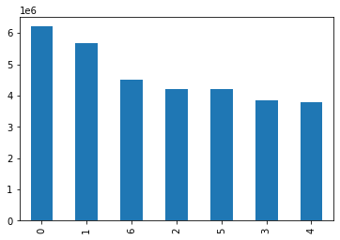
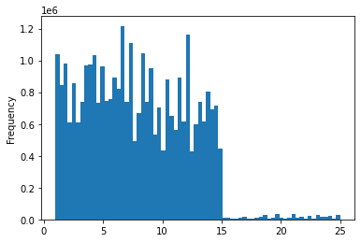
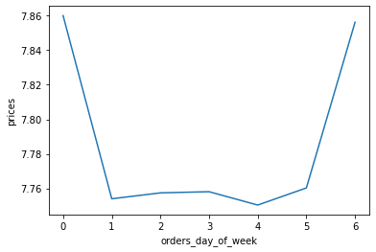
 | 0 - Saturday
 | 1 - Sunday
 | 2 - Monday
 | 3 - Tuesday
 | 4 - Wednesday
 | 5 - Thursday
 | 6 - Friday

Figure 1
Figure 2
Figure 3

This visualization shows the busyness for the days of the week. |  |  | This visualization shows the price range of products. | This visualizations shows the relationship between prices and the day of the week.
Saturday is the busiest day while Wednesday is the least busiest day. |  |  | Most products are priced between $1 - $15. | Prices are highest on Saturdays (the busiest day) and lowest on Wednesdays (least busiest day).

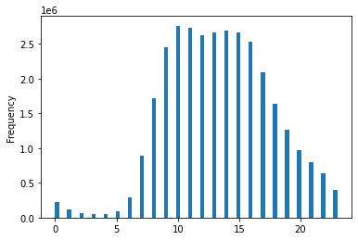
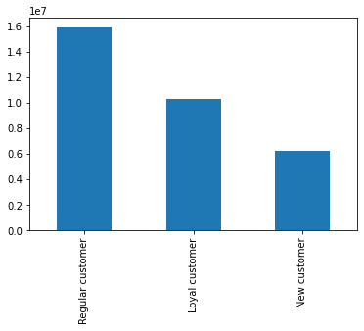
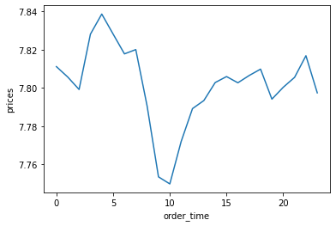

Figure 4
Figure 6

Figure 5
This visualizations shows that most Instacart orders are placed from
morning to late afternoon. |  |  |  | This visualization shows the relationship between prices
 |  |  |  | and order time. Prices are highest around 4 am and lowest
 |  |  | This visualization shows the distribution of Instacart customers. | around 10 am.
 |  |  | Most customers are regular customers.

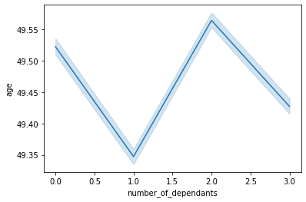
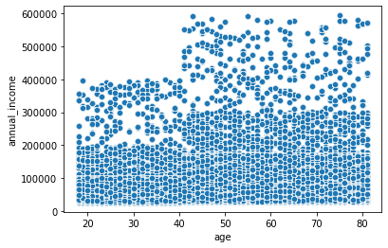
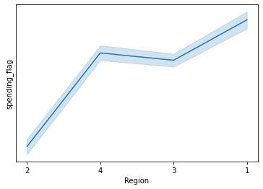

Figure 7
Figure 8
Figure 9

This visualization shows the relationship between age and |  |  | This visualization shows the relationship between age and annual | This visualization indicates that customers in Region 2 are low
number of dependants. Older customers tend to have 0 to 2 dependants. |  |  | income. Older customers tend to have higher incomes especially | spenders, whereas customers in Region 1 are high spenders.
Younger customers tend to have 1 to 3 dependants. |  |  | once customers hit age 40.

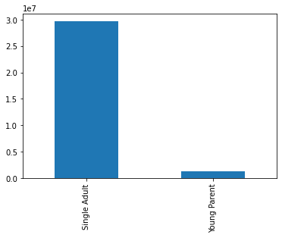
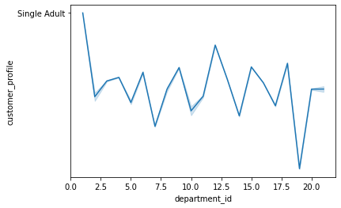
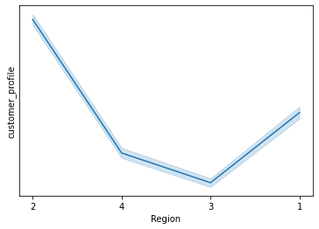

Figure 11
Figure 12

Figure 10
 |  |  | This visualization indicates that most single adults reside in |  | This visualization shows that single adults mostly purchase
 |  |  | Region 2. Most young parents reside in Region 3. |  | frozen food items. Young parents mostly purchase snacks.
This visualization indicates that there are considerably
more single adult customers than young parent customers.

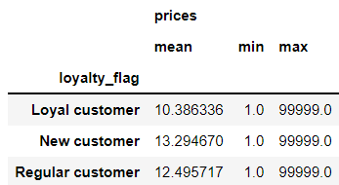
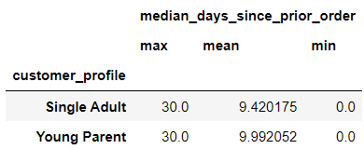
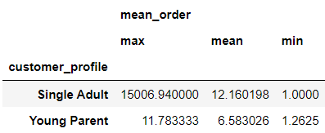

Figure 13
Figure 14
Figure 15

This visualization shows the descriptive statistics for |  |  | The visualization shows the descriptive statistics for | This visualization shows the descriptive statistics for
prices among loyalty flag. |  |  | order frequency among the customer profile. | expenditures among the customer profile.

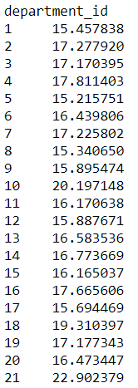
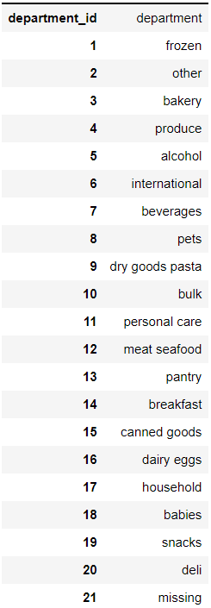

Figure 16

This visualization shows the average number
of orders for each department. As can be seen
in the visualization to the right, department_id 21
is missing. That leaves bulk goods as the most popular
items sold.

Figure 17

 |  | This visualization shows the department names

7. Recommendations
 |  | Title page

Recommendations

In this tab you should include any recommendations you would made to Instcart in terms of their marketing strategy based on the questions posed in the brief. Every key question has been covered in the Tasks of the Exercises - here you need to add an item - a visualisation or table/crosstable that is showing the answer in the data, acompanied by a comment from you. Please, list the questions below and add the answer underneath.

Question | Answer
Key Question 1: The sales team needs to know what the busiest days of the week and hours of the day are (i.e., the days and times with the most orders) in order to schedule ads at times when there are fewer orders. The busiest days of the week are Saturdays and Sundays as can be seen in Figure 1 in the Visualization worksheet. The busiest hours of the day are late mornings to late afternoons as can be seen in Figure 4 in the Visualization worksheet.
Key Question 2: They also want to know whether there are particular times of the day when people spend the most money, as this might inform the type of products they advertise at these times. Prices are highest during the early morning hours. Please see Figure 6 in the Visualization worksheet.
Key Question 3: Instacart has a lot of products with different price tags. Marketing and sales want to use simpler price range groupings to help direct their efforts. Orders with mean prices less than $10 are low spenders. Most of these customers live in Region 2. Orders with mean prices greater than or equal to $10 are high spenders. Most of the customers live in Region 1. See Figure 9 in the Visualization worksheet.
Key Question 4: Are there certain types of products that are more popular than others? The marketing and sales teams want to know which departments have the highest frequency of product orders. Bulk goods seem to be the most popular type of products. The second most popular products are baby products followed by dairy products. See Figures 16 and 17 in the Visualizations worksheet.
Key Question 5: The marketing and sales teams are particularly interested in the different types of customers in their system and how their ordering behaviors differ. For example: What’s the distribution among users in regards to their brand loyalty (i.e., how often do they return to Instacart)? Most orders are placed by regular customers, followed by loyal customers, and finally new customers. See Figure 5 in the Visualization worksheet. ○ Are there differences in ordering habits based on a customer’s loyalty status? On average, loyal customers spend the least, followed by regular customers, and finally new customers who spend the most. See Figure 13 in the Visualizations worksheet. ○ Are there differences in ordering habits based on a customer’s region? Customers in Region 2 are low spenders. Customers in Region 1 are high spenders. Please see Figure 9 in the Visualization worksheet. ○ Is there a connection between age and family status in terms of ordering habits? Older customers tend to have zero to two dependants. Younger customers tend to have one to three dependants. See Figure 7 in the Visualizations worksheet. ○ What different classifications does the demographic information suggest? Age? Income? Certain types of goods? Family status? Older customers tend to have zero to two dependants and the most spending power. Younger customers tend to have one to three dependants and the least spending power. Please see Figures 7 and 8 in the Visualization worksheet. ○ What differences can you find in ordering habits of different customer profiles? Consider the price of orders, the frequency of orders, the products customers are ordering, and anything else you can think of. Single adults spend the most on orders. The most purchased items by this group are frozen foods. Young parents

Recommendations:
To increase sales during less busy times of the week (i.e., the middle of the week), Instacart might considering offering a mystery item at a low price to get customers on the app (in the door so to speak) which could then increase sales of other products.
To increase sales during other times of day, Instacart should consider stabilizing the prices of products throughout the day. For instance, minimize price fluctuations which could deter users from purchasing products at certain times.
Instacart could offer loyal customers a loyalty program to entice them to spend more money on orders. Regular and New customers could be offered incentives to increase their usage and entice them to join the loyalty program.
Instacart should develop ad campaigns targeted towards low spenders in Region 2 to increase their usage. For instance, a campaign might tout the benefits and convenience of the service for users.
For the customer profiles, Instacart should develop marketing strategies that offer the groups within the profile more relevant advertising to drive up sales for those groups.

